Model Presentable
Figure 1 (Tranposed)

 | Model 1 | Dense
 |  | loss | Average | Learning | val_loss | Average | Learning
 | Move | 0.6921 | 0.0005 | 0.07% | 0.6986 | 0.0005 | 0.07%
 | MoveFlip | 0.6921 | 0.0005 | 0.07% | 0.699 | 0.0005 | 0.07%
 | MoveRotate | 0.6921 | 0.0005 | 0.07% | 0.7006 | 0.0005 | 0.07%
 | Scale | 0.6921 | 0.0005 | 0.07% | 0.6988 | 0.0005 | 0.07%
 | Rotation | 0.6921 | 0.0005 | 0.07% | 0.6984 | 0.0005 | 0.07%
 | Colour | 0.6921 | 0.0005 | 0.07% | 0.6928 | 0.0005 | 0.07%
 | BG | 0.6921 | 0.0005 | 0.07% | 0.7504 | 0.00055 | 0.07%
 | Model 1 | CNN
 |  | loss | Average | Learning | val_loss | Average | Learning
 | Move | 0.467 | 0.10085 | 21.60% | 0.4313 | 0.078 | 18.08%
 | MoveFlip | 0.467 | 0.10085 | 21.60% | 0.4983 | 0.0764 | 15.33%
 | MoveRotate | 0.467 | 0.10085 | 21.60% | 0.471 | 0.08215 | 17.44%
 | Scale | 0.467 | 0.10085 | 21.60% | 0.4462 | 0.08595 | 19.26%
 | Rotation | 0.5039 | 0.0824 | 16.35% | 0.5252 | 0.0708 | 13.48%
 | Colour | 0.467 | 0.10085 | 21.60% | 0.4731 | 0.069 | 14.58%
 | BG | 0.467 | 0.10085 | 21.60% | 0.2146 | 0.1491 | 69.48%
 | Model 1 | RNN
 |  | loss | Average | Learning | val_loss | Average | Learning
 | Move | 0.6869 | 0.0031 | 0.45% | 0.6833 | 0.0035 | 0.51%
 | MoveFlip | 0.6869 | 0.0031 | 0.45% | 0.6833 | 0.0035 | 0.51%
 | MoveRotate | 0.6869 | 0.0031 | 0.45% | 0.6833 | 0.0035 | 0.51%
 | Scale | 0.6854 | 0.00385 | 0.56% | 0.6814 | 0.00395 | 0.58%
 | Rotation | 0.6869 | 0.0031 | 0.45% | 0.6833 | 0.0035 | 0.51%
 | Colour | 0.6854 | 0.00385 | 0.56% | 0.6814 | 0.00395 | 0.58%
 | BG | 0.6854 | 0.00385 | 0.56% | 0.7219 | 0.00305 | 0.42%

Figure 2a

 | Model 2 | Dense
 |  | loss | Average | Learning | val_loss | Average | Learning
 | Move | 0.6749 | 0.0078 | 1.16% | 0.671 | 0.00735 | 1.10%
 | MoveFlip | 0.6568 | 0.01465 | 2.23% | 0.6495 | 0.0144 | 2.22%
 | MoveRotate | 0.6212 | 0.0287 | 4.62% | 0.6074 | 0.0279 | 4.59%
 | Scale | 0.5864 | 0.04225 | 7.20% | 0.5673 | 0.04065 | 7.17%
 | Rotation | 0.6079 | 0.03395 | 5.58% | 0.5917 | 0.03295 | 5.57%
 | Colour | 0.6101 | 0.0331 | 5.43% | 0.5943 | 0.0321 | 5.40%
 | BG | 0.69 | 0.0014 | 0.20% | 0.7574 | 0.00155 | 0.20%
 | Model 2 | CNN
 |  | loss | Average | Learning | val_loss | Average | Learning
 | Move | 0.000045261 | 0.12632737 | 279108.66% | 0.000012796 | 0.004693602 | 36680.23%
 | MoveFlip | 0.00002047 | 0.052539765 | 256667.15% | 9.8381E-06 | 0.000026415 | 268.50%
 | MoveRotate | 0.000012706 | 0.033943647 | 267146.60% | 6.3725E-06 | 1.13065E-06 | 17.74%
 | Scale | 0.000011526 | 0.018494237 | 160456.68% | 0.000047531 | 0.000009796 | 20.61%
 | Rotation | 0.000019874 | 0.034290063 | 172537.30% | 0.000014042 | 4.5965E-06 | 32.73%
 | Colour | 0.000026242 | 0.037986879 | 144756.04% | 0.000010089 | 0.000002277 | 22.57%
 | BG | 0.0963 | 0.223 | 231.57% | 0.0184 | 0.0921 | 500.54%
 | Model 2 | RNN
 |  | loss | Average | Learning | val_loss | Average | Learning
 | Move | 0.6854 | 0.00385 | 0.56% | 0.6814 | 0.00395 | 0.58%
 | MoveFlip | 0.6869 | 0.0031 | 0.45% | 0.6833 | 0.0035 | 0.51%
 | MoveRotate | 0.6854 | 0.00385 | 0.56% | 0.6814 | 0.00395 | 0.58%
 | Scale | 0.6767 | 0.00785 | 1.16% | 0.6694 | 0.008 | 1.20%
 | Rotation | 0.6854 | 0.00385 | 0.56% | 0.6814 | 0.00395 | 0.58%
 | Colour | 0.6869 | 0.0031 | 0.45% | 0.6833 | 0.0035 | 0.51%
 | BG | 0.6869 | 0.0031 | 0.45% | 0.7302 | 0.00255 | 0.35%

Figure 2b

 | Model 3 | Dense
 |  | loss | Average | Learning | val_loss | Average | Learning
 | Move | 0.6568 | 0.01465 | 2.23% | 0.6495 | 0.0144 | 2.22%
 | MoveFlip | 0.6222 | 0.0284 | 4.56% | 0.6092 | 0.02765 | 4.54%
 | MoveRotate | 0.5581 | 0.053 | 9.50% | 0.5341 | 0.0505 | 9.46%
 | Scale | 0.4983 | 0.07545 | 15.14% | 0.4669 | 0.07005 | 15.00%
 | Rotation | 0.5348 | 0.06185 | 11.57% | 0.5076 | 0.0583 | 11.49%
 | Colour | 0.5385 | 0.0604 | 11.22% | 0.5119 | 0.05705 | 11.14%
 | BG | 0.6859 | 0.00305 | 0.44% | 0.6912 | 0.0031 | 0.45%
 | Model 3 | CNN
 |  | loss | Average | Learning | val_loss | Average | Learning
 | Move | 0.00002047 | 0.052539765 | 256667.15% | 0.000013522 | 3.25405E-05 | 240.65%
 | MoveFlip | 0.00001605 | 0.031141975 | 194031.00% | 5.5995E-06 | 1.2184E-06 | 21.76%
 | MoveRotate | 0.000012947 | 0.015393527 | 118896.47% | 6.4264E-06 | 2.4898E-06 | 38.74%
 | Scale | 9.0086E-06 | 0.010295496 | 114285.19% | 0.000030959 | 0.000016464 | 53.18%
 | Rotation | 0.000013067 | 0.020043467 | 153389.96% | 8.2962E-06 | 3.5999E-06 | 43.39%
 | Colour | 0.000016864 | 0.018641568 | 110540.61% | 0.000006357 | 0.000003087 | 48.56%
 | BG | 0.0051 | 0.1697 | 3327.45% | 0.00056577 | 0.025567115 | 4518.99%
 | Model 3 | RNN
 |  | loss | Average | Learning | val_loss | Average | Learning
 | Move | 0.6854 | 0.00385 | 0.56% | 0.6814 | 0.00395 | 0.58%
 | MoveFlip | 0.6854 | 0.00385 | 0.56% | 0.6814 | 0.00395 | 0.58%
 | MoveRotate | 0.6759 | 0.0079 | 1.17% | 0.6694 | 0.008 | 1.20%
 | Scale | 0.0599 | 0.1621 | 270.62% | 0.0502 | 0.0438 | 87.25%
 | Rotation | 0.6755 | 0.0079 | 1.17% | 0.6694 | 0.008 | 1.20%
 | Colour | 0.6756 | 0.00785 | 1.16% | 0.6694 | 0.008 | 1.20%
 | BG | 0.6854 | 0.00385 | 0.56% | 0.7405 | 0.0026 | 0.35%

Figure 2c

 | Model 4 | Dense
 |  | loss | Average | Learning | val_loss | Average | Learning
 | Move | 0.6393 | 0.02155 | 3.37% | 0.6287 | 0.02115 | 3.36%
 | MoveFlip | 0.5897 | 0.0409 | 6.94% | 0.5716 | 0.03945 | 6.90%
 | MoveRotate | 0.502 | 0.07405 | 14.75% | 0.4705 | 0.0689 | 14.64%
 | Scale | 0.4253 | 0.10165 | 23.90% | 0.3861 | 0.09085 | 23.53%
 | Rotation | 0.4712 | 0.0854 | 18.12% | 0.4364 | 0.0781 | 17.90%
 | Colour | 0.4756 | 0.0837 | 17.60% | 0.4411 | 0.0769 | 17.43%
 | BG | 0.6822 | 0.00455 | 0.67% | 0.689 | 0.0046 | 0.67%
 | Model 4 | CNN
 |  | loss | Average | Learning | val_loss | Average | Learning
 | Move | 0.000017813 | 0.036891094 | 207102.08% | 0.000012827 | 5.2115E-06 | 40.63%
 | MoveFlip | 0.000023868 | 0.019538066 | 81858.83% | 0.000013031 | 3.9565E-06 | 30.36%
 | MoveRotate | 9.1399E-06 | 0.01059543 | 115925.01% | 3.8584E-06 | 2.8079E-06 | 72.77%
 | Scale | 5.4265E-06 | 0.006647287 | 122496.76% | 0.000018831 | 1.74015E-05 | 92.41%
 | Rotation | 9.4586E-06 | 0.012895271 | 136333.82% | 8.8207E-06 | 9.04815E-06 | 102.58%
 | Colour | 5.3802E-06 | 0.01079731 | 200686.03% | 4.9411E-07 | 1.2616E-07 | 25.53%
 | BG | 0.00053327 | 0.124733365 | 23390.28% | 0.000060159 | 0.006019921 | 10006.68%
 | Model 4 | RNN
 |  | loss | Average | Learning | val_loss | Average | Learning
 | Move | 0.6869 | 0.0031 | 0.45% | 0.6833 | 0.0035 | 0.51%
 | MoveFlip | 0.6768 | 0.00785 | 1.16% | 0.6694 | 0.008 | 1.20%
 | MoveRotate | 0.6688 | 0.01105 | 1.65% | 0.6597 | 0.0118 | 1.79%
 | Scale | 0.0408 | 0.12555 | 307.72% | 0.0331 | 0.0285 | 86.10%
 | Rotation | 0.6654 | 0.012 | 1.80% | 0.657 | 0.0122 | 1.86%
 | Colour | 0.6681 | 0.0111 | 1.66% | 0.6597 | 0.0118 | 1.79%
 | BG | 0.6854 | 0.00385 | 0.56% | 0.7602 | 0.0022 | 0.29%

Figure 2d

 | Model 5 | Dense
 |  | loss | Average | Learning | val_loss | Average | Learning
 | Move | 0.6223 | 0.02825 | 4.54% | 0.6087 | 0.0275 | 4.52%
 | MoveFlip | 0.5588 | 0.0528 | 9.45% | 0.535 | 0.05025 | 9.39%
 | MoveRotate | 0.4523 | 0.09215 | 20.37% | 0.4155 | 0.08355 | 20.11%
 | Scale | 0.3644 | 0.1223 | 33.56% | 0.3216 | 0.1051 | 32.68%
 | Rotation | 0.4167 | 0.10465 | 25.11% | 0.3769 | 0.09305 | 24.69%
 | Colour | 0.4216 | 0.1029 | 24.41% | 0.3823 | 0.09175 | 24.00%
 | BG | 0.6785 | 0.00595 | 0.88% | 0.6891 | 0.0061 | 0.89%
 | Model 5 | CNN
 |  | loss | Average | Learning | val_loss | Average | Learning
 | Move | 0.00001605 | 0.031141975 | 194031.00% | 0.000012926 | 0.000002464 | 19.06%
 | MoveFlip | 0.000015899 | 0.016392051 | 103101.14% | 0.000015105 | 0.000007271 | 48.14%
 | MoveRotate | 6.9979E-06 | 0 | 0.00% | 4.3402E-06 | 0 | 0.00%
 | Scale | 4.3855E-06 | 0.005797807 | 132204.02% | 0.000012428 | 0.000022202 | 178.64%
 | Rotation | 8.0722E-06 | 0.008195964 | 101533.21% | 4.8348E-06 | 6.8641E-06 | 141.97%
 | Colour | 7.9338E-06 | 0.008496033 | 107086.55% | 5.2217E-07 | 5.76715E-07 | 110.45%
 | BG | 0.000075333 | 0.103612334 | 137539.10% | 2.2848E-07 | 8.70658E-05 | 38106.51%
 | Model 5 | RNN
 |  | loss | Average | Learning | val_loss | Average | Learning
 | Move | 0.6869 | 0.0031 | 0.45% | 0.6833 | 0.0035 | 0.51%
 | MoveFlip | 0.6759 | 0.0079 | 1.17% | 0.6694 | 0.008 | 1.20%
 | MoveRotate | 0.6592 | 0.01525 | 2.31% | 0.6471 | 0.01625 | 2.51%
 | Scale | 0.0298 | 0.1047 | 351.34% | 0.0236 | 0.0241 | 102.12%
 | Rotation | 0.6551 | 0.0162 | 2.47% | 0.6443 | 0.01655 | 2.57%
 | Colour | 0.658 | 0.01535 | 2.33% | 0.6471 | 0.01625 | 2.51%
 | BG | 0.6869 | 0.0031 | 0.45% | 0.8005 | 0.00115 | 0.14%

Figure 2e

 | Model 6 | Dense
 |  | loss | Average | Learning | val_loss | Average | Learning
 | Move | 0.6111 | 0.03265 | 5.34% | 0.5956 | 0.0317 | 5.32%
 | MoveFlip | 0.5345 | 0.062 | 11.60% | 0.5073 | 0.0584 | 11.51%
 | MoveRotate | 0.4115 | 0.1065 | 25.88% | 0.3714 | 0.0943 | 25.39%
 | Scale | 0.3163 | 0.1375 | 43.47% | 0.2722 | 0.11395 | 41.86%
 | Rotation | 0.3736 | 0.1193 | 31.93% | 0.3312 | 0.10315 | 31.14%
 | Colour | 0.3773 | 0.11805 | 31.29% | 0.3351 | 0.10235 | 30.54%
 | BG | 0.6749 | 0.0077 | 1.14% | 0.671 | 0.00735 | 1.10%
 | Model 6 | CNN
 |  | loss | Average | Learning | val_loss | Average | Learning
 | Move | 0.000015709 | 0.024692146 | 157184.71% | 0.000014472 | 0.000002265 | 15.65%
 | MoveFlip | 8.8676E-06 | 0.015795566 | 178126.73% | 8.5434E-06 | 4.1393E-06 | 48.45%
 | MoveRotate | 6.5323E-06 | 0.006846734 | 104813.52% | 5.8651E-06 | 6.89045E-06 | 117.48%
 | Scale | 3.3664E-06 | 0.005398317 | 160358.75% | 8.3447E-06 | 1.45202E-05 | 174.00%
 | Rotation | 4.4065E-06 | 0.007247797 | 164479.67% | 0.000001514 | 2.55705E-06 | 168.89%
 | Colour | 4.5473E-06 | 0.006747726 | 148389.73% | 1.1921E-07 | 0 | 0.00%
 | BG | 0.00003097 | 0.075584515 | 244057.20% | 1.1921E-07 | 0 | 0.00%
 | Model 6 | RNN
 |  | loss | Average | Learning | val_loss | Average | Learning
 | Move | 0.6854 | 0.00385 | 0.56% | 0.6814 | 0.00395 | 0.58%
 | MoveFlip | 0.6755 | 0.0079 | 1.17% | 0.6694 | 0.008 | 1.20%
 | MoveRotate | 0.655 | 0.0162 | 2.47% | 0.6443 | 0.01655 | 2.57%
 | Scale | 0.0231 | 0.0915 | 396.10% | 0.0179 | 0.02105 | 117.60%
 | Rotation | 0.6448 | 0.0205 | 3.18% | 0.6312 | 0.0211 | 3.34%
 | Colour | 0.6449 | 0.02055 | 3.19% | 0.6312 | 0.0211 | 3.34%
 | BG | 0.7005 | 0.0039 | 0.56% | 0.8265 | 0.0045 | 0.54%

Figure 3a

 | Model 2 | Dense
 |  | loss | Average | Learning | val_loss | Average | Learning
 | Move | 0.6749 | 0.0078 | 1.16% | 0.671 | 0.00735 | 1.10%
 | MoveFlip | 0.6568 | 0.01465 | 2.23% | 0.6495 | 0.0144 | 2.22%
 | MoveRotate | 0.6212 | 0.0287 | 4.62% | 0.6074 | 0.0279 | 4.59%
 | Scale | 0.5864 | 0.04225 | 7.20% | 0.5673 | 0.04065 | 7.17%
 | Rotation | 0.6079 | 0.03395 | 5.58% | 0.5917 | 0.03295 | 5.57%
 | Colour | 0.6101 | 0.0331 | 5.43% | 0.5943 | 0.0321 | 5.40%
 | BG | 0.69 | 0.0014 | 0.20% | 0.7574 | 0.00155 | 0.20%
 | Model 2 | CNN
 |  | loss | Average | Learning | val_loss | Average | Learning
 | Move | 0.000045261 | 0.12632737 | 279108.66% | 0.000012796 | 0.004693602 | 36680.23%
 | MoveFlip | 0.00002047 | 0.052539765 | 256667.15% | 9.8381E-06 | 0.000026415 | 268.50%
 | MoveRotate | 0.000012706 | 0.033943647 | 267146.60% | 6.3725E-06 | 1.13065E-06 | 17.74%
 | Scale | 0.000011526 | 0.018494237 | 160456.68% | 0.000047531 | 0.000009796 | 20.61%
 | Rotation | 0.000019874 | 0.034290063 | 172537.30% | 0.000014042 | 4.5965E-06 | 32.73%
 | Colour | 0.000026242 | 0.037986879 | 144756.04% | 0.000010089 | 0.000002277 | 22.57%
 | BG | 0.0963 | 0.223 | 231.57% | 0.0184 | 0.0921 | 500.54%
 | Model 2 | RNN
 |  | loss | Average | Learning | val_loss | Average | Learning
 | Move | 0.6854 | 0.00385 | 0.56% | 0.6814 | 0.00395 | 0.58%
 | MoveFlip | 0.6869 | 0.0031 | 0.45% | 0.6833 | 0.0035 | 0.51%
 | MoveRotate | 0.6854 | 0.00385 | 0.56% | 0.6814 | 0.00395 | 0.58%
 | Scale | 0.6767 | 0.00785 | 1.16% | 0.6694 | 0.008 | 1.20%
 | Rotation | 0.6854 | 0.00385 | 0.56% | 0.6814 | 0.00395 | 0.58%
 | Colour | 0.6869 | 0.0031 | 0.45% | 0.6833 | 0.0035 | 0.51%
 | BG | 0.6869 | 0.0031 | 0.45% | 0.7302 | 0.00255 | 0.35%

Figure 3b

 | Model 3 | Dense
 |  | loss | Average | Learning | val_loss | Average | Learning
 | Move | 0.6568 | 0.01465 | 2.23% | 0.6495 | 0.0144 | 2.22%
 | MoveFlip | 0.6222 | 0.0284 | 4.56% | 0.6092 | 0.02765 | 4.54%
 | MoveRotate | 0.5581 | 0.053 | 9.50% | 0.5341 | 0.0505 | 9.46%
 | Scale | 0.4983 | 0.07545 | 15.14% | 0.4669 | 0.07005 | 15.00%
 | Rotation | 0.5348 | 0.06185 | 11.57% | 0.5076 | 0.0583 | 11.49%
 | Colour | 0.5385 | 0.0604 | 11.22% | 0.5119 | 0.05705 | 11.14%
 | BG | 0.6859 | 0.00305 | 0.44% | 0.6912 | 0.0031 | 0.45%
 | Model 3 | CNN
 |  | loss | Average | Learning | val_loss | Average | Learning
 | Move | 0.00002047 | 0.052539765 | 256667.15% | 0.000013522 | 3.25405E-05 | 240.65%
 | MoveFlip | 0.00001605 | 0.031141975 | 194031.00% | 5.5995E-06 | 1.2184E-06 | 21.76%
 | MoveRotate | 0.000012947 | 0.015393527 | 118896.47% | 6.4264E-06 | 2.4898E-06 | 38.74%
 | Scale | 9.0086E-06 | 0.010295496 | 114285.19% | 0.000030959 | 0.000016464 | 53.18%
 | Rotation | 0.000013067 | 0.020043467 | 153389.96% | 8.2962E-06 | 3.5999E-06 | 43.39%
 | Colour | 0.000016864 | 0.018641568 | 110540.61% | 0.000006357 | 0.000003087 | 48.56%
 | BG | 0.0051 | 0.1697 | 3327.45% | 0.00056577 | 0.025567115 | 4518.99%
 | Model 3 | RNN
 |  | loss | Average | Learning | val_loss | Average | Learning
 | Move | 0.6854 | 0.00385 | 0.56% | 0.6814 | 0.00395 | 0.58%
 | MoveFlip | 0.6854 | 0.00385 | 0.56% | 0.6814 | 0.00395 | 0.58%
 | MoveRotate | 0.6759 | 0.0079 | 1.17% | 0.6694 | 0.008 | 1.20%
 | Scale | 0.0599 | 0.1621 | 270.62% | 0.0502 | 0.0438 | 87.25%
 | Rotation | 0.6755 | 0.0079 | 1.17% | 0.6694 | 0.008 | 1.20%
 | Colour | 0.6756 | 0.00785 | 1.16% | 0.6694 | 0.008 | 1.20%
 | BG | 0.6854 | 0.00385 | 0.56% | 0.7405 | 0.0026 | 0.35%

Figure 3c

 | Model 4 | Dense
 |  | loss | Average | Learning | val_loss | Average | Learning
 | Move | 0.6393 | 0.02155 | 3.37% | 0.6287 | 0.02115 | 3.36%
 | MoveFlip | 0.5897 | 0.0409 | 6.94% | 0.5716 | 0.03945 | 6.90%
 | MoveRotate | 0.502 | 0.07405 | 14.75% | 0.4705 | 0.0689 | 14.64%
 | Scale | 0.4253 | 0.10165 | 23.90% | 0.3861 | 0.09085 | 23.53%
 | Rotation | 0.4712 | 0.0854 | 18.12% | 0.4364 | 0.0781 | 17.90%
 | Colour | 0.4756 | 0.0837 | 17.60% | 0.4411 | 0.0769 | 17.43%
 | BG | 0.6822 | 0.00455 | 0.67% | 0.689 | 0.0046 | 0.67%
 | Model 4 | CNN
 |  | loss | Average | Learning | val_loss | Average | Learning
 | Move | 0.000017813 | 0.036891094 | 207102.08% | 0.000012827 | 5.2115E-06 | 40.63%
 | MoveFlip | 0.000023868 | 0.019538066 | 81858.83% | 0.000013031 | 3.9565E-06 | 30.36%
 | MoveRotate | 9.1399E-06 | 0.01059543 | 115925.01% | 3.8584E-06 | 2.8079E-06 | 72.77%
 | Scale | 5.4265E-06 | 0.006647287 | 122496.76% | 0.000018831 | 1.74015E-05 | 92.41%
 | Rotation | 9.4586E-06 | 0.012895271 | 136333.82% | 8.8207E-06 | 9.04815E-06 | 102.58%
 | Colour | 5.3802E-06 | 0.01079731 | 200686.03% | 4.9411E-07 | 1.2616E-07 | 25.53%
 | BG | 0.00053327 | 0.124733365 | 23390.28% | 0.000060159 | 0.006019921 | 10006.68%
 | Model 4 | RNN
 |  | loss | Average | Learning | val_loss | Average | Learning
 | Move | 0.6869 | 0.0031 | 0.45% | 0.6833 | 0.0035 | 0.51%
 | MoveFlip | 0.6768 | 0.00785 | 1.16% | 0.6694 | 0.008 | 1.20%
 | MoveRotate | 0.6688 | 0.01105 | 1.65% | 0.6597 | 0.0118 | 1.79%
 | Scale | 0.0408 | 0.12555 | 307.72% | 0.0331 | 0.0285 | 86.10%
 | Rotation | 0.6654 | 0.012 | 1.80% | 0.657 | 0.0122 | 1.86%
 | Colour | 0.6681 | 0.0111 | 1.66% | 0.6597 | 0.0118 | 1.79%
 | BG | 0.6854 | 0.00385 | 0.56% | 0.7602 | 0.0022 | 0.29%

Figure 3d

 | Model 5 | Dense
 |  | loss | Average | Learning | val_loss | Average | Learning
 | Move | 0.6223 | 0.02825 | 4.54% | 0.6087 | 0.0275 | 4.52%
 | MoveFlip | 0.5588 | 0.0528 | 9.45% | 0.535 | 0.05025 | 9.39%
 | MoveRotate | 0.4523 | 0.09215 | 20.37% | 0.4155 | 0.08355 | 20.11%
 | Scale | 0.3644 | 0.1223 | 33.56% | 0.3216 | 0.1051 | 32.68%
 | Rotation | 0.4167 | 0.10465 | 25.11% | 0.3769 | 0.09305 | 24.69%
 | Colour | 0.4216 | 0.1029 | 24.41% | 0.3823 | 0.09175 | 24.00%
 | BG | 0.6785 | 0.00595 | 0.88% | 0.6891 | 0.0061 | 0.89%
 | Model 5 | CNN
 |  | loss | Average | Learning | val_loss | Average | Learning
 | Move | 0.00001605 | 0.031141975 | 194031.00% | 0.000012926 | 0.000002464 | 19.06%
 | MoveFlip | 0.000015899 | 0.016392051 | 103101.14% | 0.000015105 | 0.000007271 | 48.14%
 | MoveRotate | 6.9979E-06 | 0 | 0.00% | 4.3402E-06 | 0 | 0.00%
 | Scale | 4.3855E-06 | 0.005797807 | 132204.02% | 0.000012428 | 0.000022202 | 178.64%
 | Rotation | 8.0722E-06 | 0.008195964 | 101533.21% | 4.8348E-06 | 6.8641E-06 | 141.97%
 | Colour | 7.9338E-06 | 0.008496033 | 107086.55% | 5.2217E-07 | 5.76715E-07 | 110.45%
 | BG | 0.000075333 | 0.103612334 | 137539.10% | 2.2848E-07 | 8.70658E-05 | 38106.51%
 | Model 5 | RNN
 |  | loss | Average | Learning | val_loss | Average | Learning
 | Move | 0.6869 | 0.0031 | 0.45% | 0.6833 | 0.0035 | 0.51%
 | MoveFlip | 0.6759 | 0.0079 | 1.17% | 0.6694 | 0.008 | 1.20%
 | MoveRotate | 0.6592 | 0.01525 | 2.31% | 0.6471 | 0.01625 | 2.51%
 | Scale | 0.0298 | 0.1047 | 351.34% | 0.0236 | 0.0241 | 102.12%
 | Rotation | 0.6551 | 0.0162 | 2.47% | 0.6443 | 0.01655 | 2.57%
 | Colour | 0.658 | 0.01535 | 2.33% | 0.6471 | 0.01625 | 2.51%
 | BG | 0.6869 | 0.0031 | 0.45% | 0.8005 | 0.00115 | 0.14%

Figure 3e

 | Model 6 | Dense
 |  | loss | Average | Learning | val_loss | Average | Learning
 | Move | 0.6111 | 0.03265 | 5.34% | 0.5956 | 0.0317 | 5.32%
 | MoveFlip | 0.5345 | 0.062 | 11.60% | 0.5073 | 0.0584 | 11.51%
 | MoveRotate | 0.4115 | 0.1065 | 25.88% | 0.3714 | 0.0943 | 25.39%
 | Scale | 0.3163 | 0.1375 | 43.47% | 0.2722 | 0.11395 | 41.86%
 | Rotation | 0.3736 | 0.1193 | 31.93% | 0.3312 | 0.10315 | 31.14%
 | Colour | 0.3773 | 0.11805 | 31.29% | 0.3351 | 0.10235 | 30.54%
 | BG | 0.6749 | 0.0077 | 1.14% | 0.671 | 0.00735 | 1.10%
 | Model 6 | CNN
 |  | loss | Average | Learning | val_loss | Average | Learning
 | Move | 0.000015709 | 0.024692146 | 157184.71% | 0.000014472 | 0.000002265 | 15.65%
 | MoveFlip | 8.8676E-06 | 0.015795566 | 178126.73% | 8.5434E-06 | 4.1393E-06 | 48.45%
 | MoveRotate | 6.5323E-06 | 0.006846734 | 104813.52% | 5.8651E-06 | 6.89045E-06 | 117.48%
 | Scale | 3.3664E-06 | 0.005398317 | 160358.75% | 8.3447E-06 | 1.45202E-05 | 174.00%
 | Rotation | 4.4065E-06 | 0.007247797 | 164479.67% | 0.000001514 | 2.55705E-06 | 168.89%
 | Colour | 4.5473E-06 | 0.006747726 | 148389.73% | 1.1921E-07 | 0 | 0.00%
 | BG | 0.00003097 | 0.075584515 | 244057.20% | 1.1921E-07 | 0 | 0.00%
 | Model 6 | RNN
 |  | loss | Average | Learning | val_loss | Average | Learning
 | Move | 0.6854 | 0.00385 | 0.56% | 0.6814 | 0.00395 | 0.58%
 | MoveFlip | 0.6755 | 0.0079 | 1.17% | 0.6694 | 0.008 | 1.20%
 | MoveRotate | 0.655 | 0.0162 | 2.47% | 0.6443 | 0.01655 | 2.57%
 | Scale | 0.0231 | 0.0915 | 396.10% | 0.0179 | 0.02105 | 117.60%
 | Rotation | 0.6448 | 0.0205 | 3.18% | 0.6312 | 0.0211 | 3.34%
 | Colour | 0.6449 | 0.02055 | 3.19% | 0.6312 | 0.0211 | 3.34%
 | BG | 0.7005 | 0.0039 | 0.56% | 0.8265 | 0.0045 | 0.54%

Figure 4a

 | Model 7 | Dense
 |  | loss | Average | Learning | val_loss | Average | Learning
 | Move | 0.6921 | 0.0033 | 0.48% | 0.6941 | 0.0011 | 0.16%
 | MoveFlip | 0.6921 | 0.0033 | 0.48% | 0.6935 | 0.00085 | 0.12%
 | MoveRotate | 0.6921 | 0.0087 | 1.26% | 0.6931 | 0.0006 | 0.09%
 | Scale | 0.6921 | 0.00095 | 0.14% | 0.6922 | 0.00075 | 0.11%
 | Rotation | 0.6921 | 0.0108 | 1.56% | 0.6927 | 0.0007 | 0.10%
 | Colour | 0.691 | 0.0029 | 0.42% | 0.6902 | 0.00095 | 0.14%
 | BG | 0.6922 | 0.083 | 11.99% | 0.6917 | 0.00045 | 0.07%
 | Model 7 | CNN
 |  | loss | Average | Learning | val_loss | Average | Learning
 | Move | 0.4899 | 0.10615 | 21.67% | 0.4088 | 0.08305 | 20.32%
 | MoveFlip | 0.529 | 0.1087 | 20.55% | 0.4853 | 0.07295 | 15.03%
 | MoveRotate | 0.5104 | 0.1024 | 20.06% | 0.6091 | 0.02485 | 4.08%
 | Scale | 0.489 | 0.0981 | 20.06% | 0.4337 | 0.083 | 19.14%
 | Rotation | 0.5215 | 0.07655 | 14.68% | 0.5956 | 0.04325 | 7.26%
 | Colour | 0.4186 | 0.1287 | 30.75% | 0.2991 | 0.12095 | 40.44%
 | BG | 0.00019115 | 0.290804425 | 152134.15% | 0.2358 | 0.06265 | 26.57%
 | Model 7 | RNN
 |  | loss | Average | Learning | val_loss | Average | Learning
 | Move | 0.6854 | 0.00385 | 0.56% | 0.6814 | 0.00395 | 0.58%
 | MoveFlip | 0.6854 | 0.00385 | 0.56% | 0.6814 | 0.00395 | 0.58%
 | MoveRotate | 0.6869 | 0.0031 | 0.45% | 0.6833 | 0.0035 | 0.51%
 | Scale | 0.6854 | 0.00385 | 0.56% | 0.6814 | 0.00395 | 0.58%
 | Rotation | 0.6869 | 0.0031 | 0.45% | 0.6833 | 0.0035 | 0.51%
 | Colour | 0.6869 | 0.0031 | 0.45% | 0.6833 | 0.0035 | 0.51%
 | BG | 0.8482 | 0.00405 | 0.48% | 0.7146 | 0.0029 | 0.41%

Figure 4b

 | Model 1 | Dense
 |  | loss | Average | Learning | val_loss | Average | Learning
 | Move | 0.6921 | 0.0005 | 0.07% | 0.6986 | 0.0005 | 0.07%
 | MoveFlip | 0.6921 | 0.0005 | 0.07% | 0.699 | 0.0005 | 0.07%
 | MoveRotate | 0.6921 | 0.0005 | 0.07% | 0.7006 | 0.0005 | 0.07%
 | Scale | 0.6921 | 0.0005 | 0.07% | 0.6988 | 0.0005 | 0.07%
 | Rotation | 0.6921 | 0.0005 | 0.07% | 0.6984 | 0.0005 | 0.07%
 | Colour | 0.6921 | 0.0005 | 0.07% | 0.6928 | 0.0005 | 0.07%
 | BG | 0.6921 | 0.0005 | 0.07% | 0.7504 | 0.00055 | 0.07%
 | Model 1 | CNN
 |  | loss | Average | Learning | val_loss | Average | Learning
 | Move | 0.467 | 0.10085 | 21.60% | 0.4313 | 0.078 | 18.08%
 | MoveFlip | 0.467 | 0.10085 | 21.60% | 0.4983 | 0.0764 | 15.33%
 | MoveRotate | 0.467 | 0.10085 | 21.60% | 0.471 | 0.08215 | 17.44%
 | Scale | 0.467 | 0.10085 | 21.60% | 0.4462 | 0.08595 | 19.26%
 | Rotation | 0.5039 | 0.0824 | 16.35% | 0.5252 | 0.0708 | 13.48%
 | Colour | 0.467 | 0.10085 | 21.60% | 0.4731 | 0.069 | 14.58%
 | BG | 0.467 | 0.10085 | 21.60% | 0.2146 | 0.1491 | 69.48%
 | Model 1 | RNN
 |  | loss | Average | Learning | val_loss | Average | Learning
 | Move | 0.6869 | 0.0031 | 0.45% | 0.6833 | 0.0035 | 0.51%
 | MoveFlip | 0.6869 | 0.0031 | 0.45% | 0.6833 | 0.0035 | 0.51%
 | MoveRotate | 0.6869 | 0.0031 | 0.45% | 0.6833 | 0.0035 | 0.51%
 | Scale | 0.6854 | 0.00385 | 0.56% | 0.6814 | 0.00395 | 0.58%
 | Rotation | 0.6869 | 0.0031 | 0.45% | 0.6833 | 0.0035 | 0.51%
 | Colour | 0.6854 | 0.00385 | 0.56% | 0.6814 | 0.00395 | 0.58%
 | BG | 0.6854 | 0.00385 | 0.56% | 0.7219 | 0.00305 | 0.42%

Figurte 5 (Transposed)

 | Model 6 | Dense
 |  | Training | Validation | Difficulty
 | Move | 5.34% | 5.32% | 4
 | MoveFlip | 11.60% | 11.51% | 4
 | MoveRotate | 25.88% | 25.39% | 3
 | Scale | 43.47% | 41.86% | 1
 | Rotation | 31.93% | 31.14% | 2
 | Colour | 31.29% | 30.54% | 2
 | BG | 1.14% | 1.10% | 5
 | Model 6 | CNN
 |  | Training | Validation | Difficulty
 | Move | 157184.71% | 15.65% | 4
 | MoveFlip | 178126.73% | 48.45% | 2
 | MoveRotate | 104813.52% | 117.48% | 5
 | Scale | 160358.75% | 174.00% | 3
 | Rotation | 164479.67% | 168.89% | 3
 | Colour | 148389.73% | 0.00% | 4
 | BG | 244057.20% | 0.00% | 1
 | Model 6 | RNN
 |  | Training | Validation | Difficulty
 | Move | 0.56% | 0.58% | 5
 | MoveFlip | 1.17% | 1.20% | 4
 | MoveRotate | 2.47% | 2.57% | 3
 | Scale | 396.10% | 117.60% | 1
 | Rotation | 3.18% | 3.34% | 2
 | Colour | 3.19% | 3.34% | 2
 | BG | 0.56% | 0.54% | 5

Figure 6a

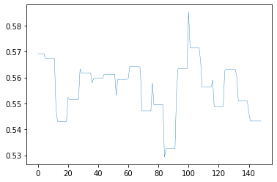

Figure 6b

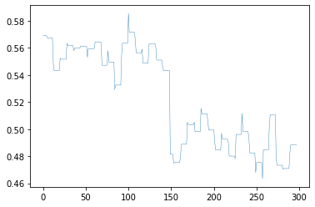

Figure 6c

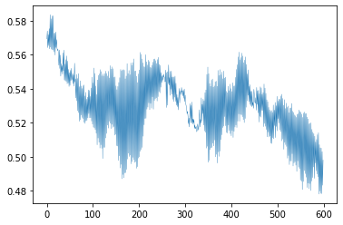

Figure 6d

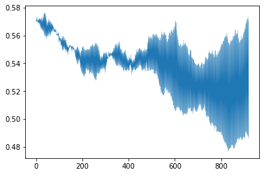

Figure 6e

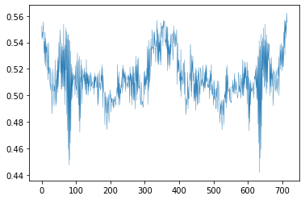

Figure 6f

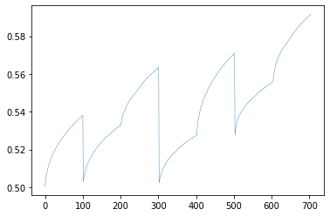

Figure 6g

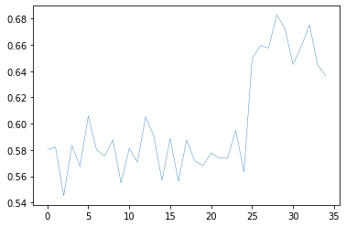

Figure 7a

 | Model 1 | Dense
 |  | Dataset # | Training | Validation
 | Move | 1 | 0.072% | 0.072%
 | MoveFlip | 1 | 0.072% | 0.072%
 | MoveRotate | 1 | 0.072% | 0.071%
 | Scale | 1 | 0.072% | 0.072%
 | Rotation | 1 | 0.072% | 0.072%
 | Colour | 1 | 0.072% | 0.072%
 | BG | 1 | 0.072% | 0.073%
 | Model 1 | CNN
 |  | Dataset # | Training | Validation
 | Move | 1 | 21.60% | 18.08%
 | MoveFlip | 1 | 21.60% | 15.33%
 | MoveRotate | 1 | 21.60% | 17.44%
 | Scale | 1 | 21.60% | 19.26%
 | Rotation | 1 | 16.35% | 13.48%
 | Colour | 1 | 21.60% | 14.58%
 | BG | 1 | 21.60% | 69.48%
 | Model 1 | RNN
 |  | Dataset # | Training | Validation
 | Move | 1 | 0.4513% | 0.5122%
 | MoveFlip | 1 | 0.4513% | 0.5122%
 | MoveRotate | 1 | 0.4513% | 0.5122%
 | Scale | 1 | 0.5617% | 0.5797%
 | Rotation | 1 | 0.4513% | 0.5122%
 | Colour | 1 | 0.5617% | 0.5797%
 | BG | 1 | 0.5617% | 0.4225%

Figure 7b

 | Model 2 | Dense
 |  | Dataset # | Training | Validation
 | Move | 30 | 0.039% | 0.037%
 | MoveFlip | 60 | 0.037% | 0.037%
 | MoveRotate | 120 | 0.039% | 0.038%
 | Scale | 185 | 0.039% | 0.039%
 | Rotation | 144 | 0.039% | 0.039%
 | Colour | 141 | 0.038% | 0.038%
 | BG | 6 | 0.034% | 0.034%
 | Model 2 | CNN
 |  | Dataset # | Training | Validation
 | Move | 30 | 9303.62% | 1222.67%
 | MoveFlip | 60 | 4277.79% | 4.47%
 | MoveRotate | 120 | 2226.22% | 0.15%
 | Scale | 185 | 867.33% | 0.11%
 | Rotation | 144 | 1198.18% | 0.23%
 | Colour | 141 | 1026.64% | 0.16%
 | BG | 6 | 38.59% | 83.42%
 | Model 2 | RNN
 |  | Dataset # | Training | Validation
 | Move | 30 | 0.0187% | 0.0193%
 | MoveFlip | 60 | 0.0075% | 0.0085%
 | MoveRotate | 120 | 0.0047% | 0.0048%
 | Scale | 185 | 0.0063% | 0.0065%
 | Rotation | 144 | 0.0039% | 0.0040%
 | Colour | 141 | 0.0032% | 0.0036%
 | BG | 6 | 0.0752% | 0.0582%

Figure 7c

 | Model 3 | Dense
 |  | Dataset # | Training | Validation
 | Move | 60 | 0.037% | 0.037%
 | MoveFlip | 120 | 0.038% | 0.038%
 | MoveRotate | 240 | 0.040% | 0.039%
 | Scale | 369 | 0.041% | 0.041%
 | Rotation | 288 | 0.040% | 0.040%
 | Colour | 281 | 0.040% | 0.040%
 | BG | 12 | 0.037% | 0.037%
 | Model 3 | CNN
 |  | Dataset # | Training | Validation
 | Move | 60 | 4277.79% | 4.01%
 | MoveFlip | 120 | 1616.92% | 0.18%
 | MoveRotate | 240 | 495.40% | 0.16%
 | Scale | 369 | 309.72% | 0.14%
 | Rotation | 288 | 532.60% | 0.15%
 | Colour | 281 | 393.38% | 0.17%
 | BG | 12 | 277.29% | 376.58%
 | Model 3 | RNN
 |  | Dataset # | Training | Validation
 | Move | 60 | 0.0094% | 0.0097%
 | MoveFlip | 120 | 0.0047% | 0.0048%
 | MoveRotate | 240 | 0.0049% | 0.0050%
 | Scale | 369 | 0.7334% | 0.2365%
 | Rotation | 288 | 0.0041% | 0.0041%
 | Colour | 281 | 0.0041% | 0.0043%
 | BG | 12 | 0.0468% | 0.0293%

Figure 7d

 | Model 4 | Dense
 |  | Dataset # | Training | Validation
 | Move | 90 | 0.037% | 0.037%
 | MoveFlip | 180 | 0.039% | 0.038%
 | MoveRotate | 360 | 0.041% | 0.041%
 | Scale | 553 | 0.043% | 0.043%
 | Rotation | 432 | 0.042% | 0.041%
 | Colour | 421 | 0.042% | 0.041%
 | BG | 18 | 0.037% | 0.037%
 | Model 4 | CNN
 |  | Dataset # | Training | Validation
 | Move | 90 | 2301.13% | 0.45%
 | MoveFlip | 180 | 454.77% | 0.17%
 | MoveRotate | 360 | 322.01% | 0.20%
 | Scale | 553 | 221.51% | 0.17%
 | Rotation | 432 | 315.59% | 0.24%
 | Colour | 421 | 476.69% | 0.06%
 | BG | 18 | 1299.46% | 555.93%
 | Model 4 | RNN
 |  | Dataset # | Training | Validation
 | Move | 90 | 0.0050% | 0.0057%
 | MoveFlip | 180 | 0.0064% | 0.0066%
 | MoveRotate | 360 | 0.0046% | 0.0050%
 | Scale | 553 | 0.5565% | 0.1557%
 | Rotation | 432 | 0.0042% | 0.0043%
 | Colour | 421 | 0.0039% | 0.0042%
 | BG | 18 | 0.0312% | 0.0161%

Figure 7e

 | Model 5 | Dense
 |  | Dataset # | Training | Validation
 | Move | 120 | 0.038% | 0.038%
 | MoveFlip | 240 | 0.039% | 0.039%
 | MoveRotate | 480 | 0.042% | 0.042%
 | Scale | 737 | 0.046% | 0.044%
 | Rotation | 576 | 0.044% | 0.043%
 | Colour | 561 | 0.044% | 0.043%
 | BG | 24 | 0.037% | 0.037%
 | Model 5 | CNN
 |  | Dataset # | Training | Validation
 | Move | 120 | 1616.92% | 0.16%
 | MoveFlip | 240 | 429.59% | 0.20%
 | MoveRotate | 480 | 0.00% | 0.00%
 | Scale | 737 | 179.38% | 0.24%
 | Rotation | 576 | 176.27% | 0.25%
 | Colour | 561 | 190.89% | 0.20%
 | BG | 24 | 5730.80% | 1587.77%
 | Model 5 | RNN
 |  | Dataset # | Training | Validation
 | Move | 120 | 0.0038% | 0.0043%
 | MoveFlip | 240 | 0.0049% | 0.0050%
 | MoveRotate | 480 | 0.0048% | 0.0052%
 | Scale | 737 | 0.4767% | 0.1386%
 | Rotation | 576 | 0.0043% | 0.0045%
 | Colour | 561 | 0.0042% | 0.0045%
 | BG | 24 | 0.0188% | 0.0060%

Figure 7f

 | Model 6 | Dense
 |  | Dataset # | Training | Validation
 | Move | 140 | 0.038% | 0.038%
 | MoveFlip | 290 | 0.040% | 0.040%
 | MoveRotate | 590 | 0.044% | 0.043%
 | Scale | 911 | 0.048% | 0.046%
 | Rotation | 707 | 0.045% | 0.044%
 | Colour | 696 | 0.045% | 0.044%
 | BG | 30 | 0.038% | 0.037%
 | Model 6 | CNN
 |  | Dataset # | Training | Validation
 | Move | 140 | 1122.75% | 0.11%
 | MoveFlip | 290 | 614.23% | 0.17%
 | MoveRotate | 590 | 177.65% | 0.20%
 | Scale | 911 | 176.02% | 0.19%
 | Rotation | 707 | 232.64% | 0.24%
 | Colour | 696 | 213.20% | 0.00%
 | BG | 30 | 8135.24% | 0.00%
 | Model 6 | RNN
 |  | Dataset # | Training | Validation
 | Move | 140 | 0.0040% | 0.0041%
 | MoveFlip | 290 | 0.0040% | 0.0041%
 | MoveRotate | 590 | 0.0042% | 0.0044%
 | Scale | 911 | 0.4348% | 0.1291%
 | Rotation | 707 | 0.0045% | 0.0047%
 | Colour | 696 | 0.0046% | 0.0048%
 | BG | 30 | 0.0186% | 0.0181%

Figure 7g

 | Model 7 | Dense
 |  | Dataset # | Training | Validation
 | Move | 2 | 0.238% | 0.079%
 | MoveFlip | 2 | 0.238% | 0.061%
 | MoveRotate | 2 | 0.629% | 0.043%
 | Scale | 2 | 0.069% | 0.054%
 | Rotation | 2 | 0.780% | 0.051%
 | Colour | 3 | 0.140% | 0.046%
 | BG | 2 | 5.995% | 0.033%
 | Model 7 | CNN
 |  | Dataset # | Training | Validation
 | Move | 2 | 10.83% | 10.16%
 | MoveFlip | 2 | 10.27% | 7.52%
 | MoveRotate | 2 | 10.03% | 2.04%
 | Scale | 2 | 10.03% | 9.57%
 | Rotation | 2 | 7.34% | 3.63%
 | Colour | 3 | 10.25% | 13.48%
 | BG | 2 | 76067.07% | 13.28%
 | Model 7 | RNN
 |  | Dataset # | Training | Validation
 | Move | 2 | 0.2809% | 0.2898%
 | MoveFlip | 2 | 0.2809% | 0.2898%
 | MoveRotate | 2 | 0.2257% | 0.2561%
 | Scale | 2 | 0.2809% | 0.2898%
 | Rotation | 2 | 0.2257% | 0.2561%
 | Colour | 3 | 0.1504% | 0.1707%
 | BG | 2 | 0.2387% | 0.2029%

Model 1 & 7 Graphs
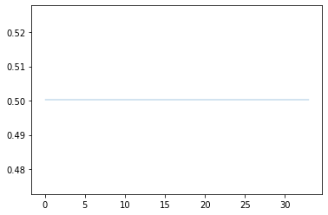
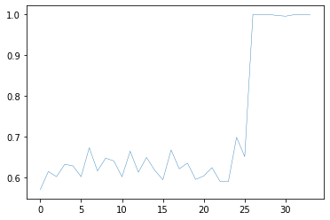
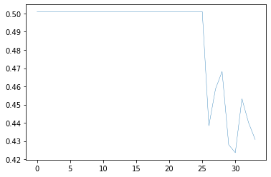
Movement Old | Graphs of Epoch 1 |  |  | Movement Without Flip
 |  |  |  | Model 1
Model 1 | Dense | CNN | RNN |  | Dense | CNN | RNN
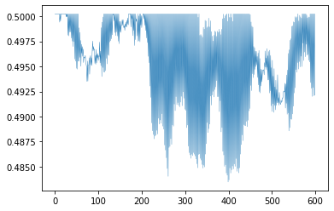
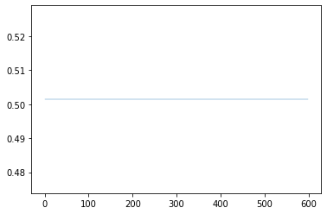
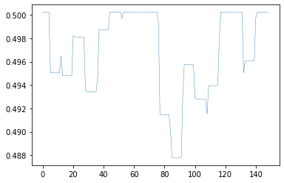
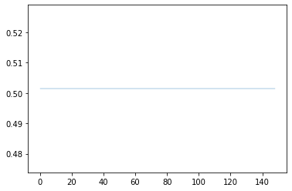

Model 7 | Dense | CNN | RNN |  | Dense | CNN | RNN
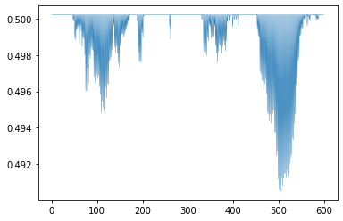
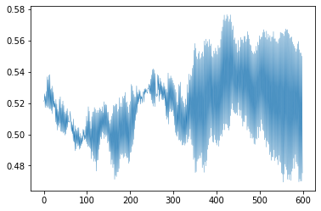
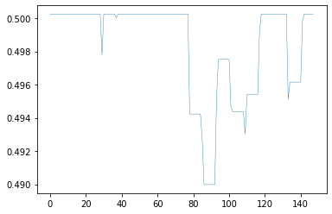
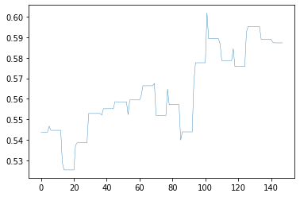
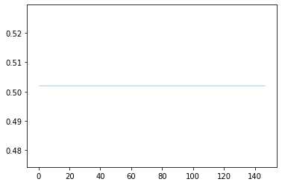

Scaling |  |  |  | Movement With Flip
Model 1 | Dense | CNN | RNN | Model 1 | Dense | CNN | RNN
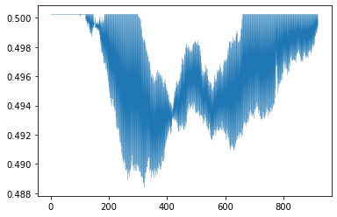
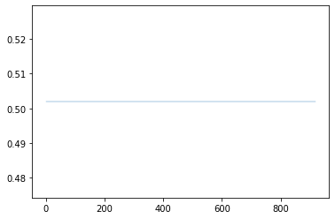
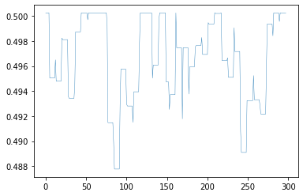
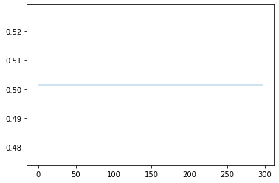

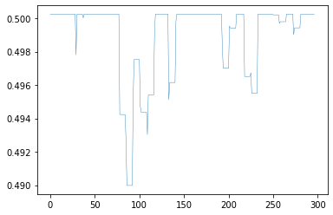
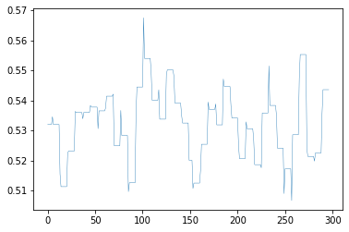
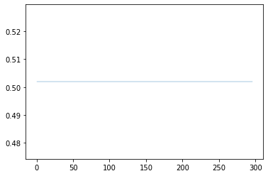
 |  |  |  |  | Dense | CNN | RNN
Model 7 | Dense | CNN | RNN
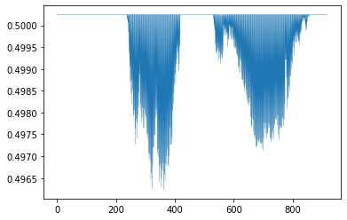
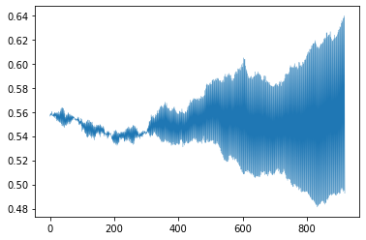


Rotation
Model 1 | Dense | CNN | RNN
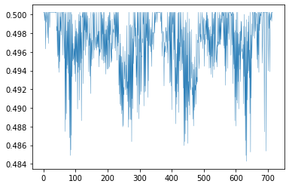
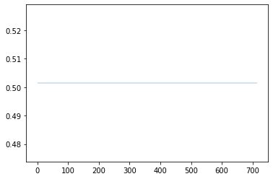

Model 7 | Dense | CNN | RNN
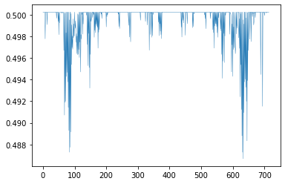
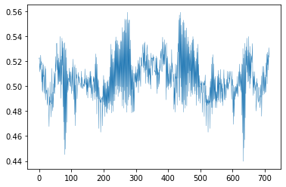


Colour
Model 1 | Dense | CNN | RNN
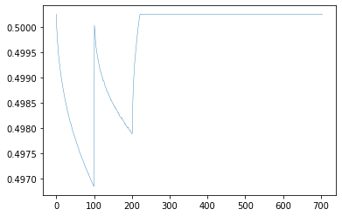
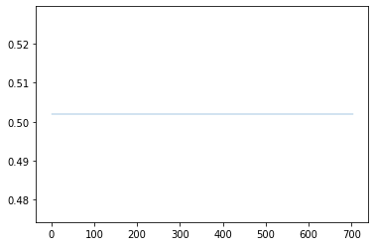

Model 7 | Dense | CNN | RNN
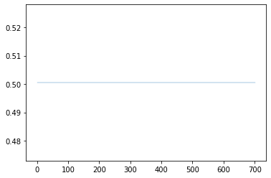
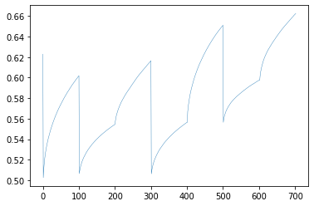
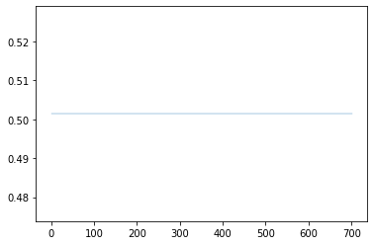

Background
Model 1 | Dense | CNN | RNN
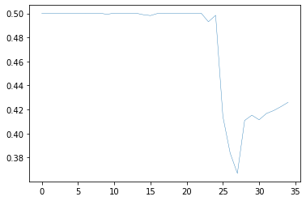
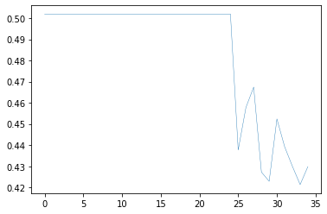

Model 7 | Dense | CNN | RNN

